Q3
15 Marks
Q3. Given the following data, restructure this data in the way showed in Table 1 using formulas

 | P1_Wk16 | P1_Wk15 | P1_Wk14 | P1_Wk13 | P1_Wk12 | P1_Wk11 | P1_Wk10 | P1_Wk9 | P1_Wk8 | P1_Wk7 | P1_Wk6 | P1_Wk5 | P1_Wk4 | P1_Wk3 | P1_Wk2 | P1_Wk1 | P1_Stpack_Wk16 | P1_Stpack_Wk15 | P1_Stpack_Wk14 | P1_Stpack_Wk13 | P1_Stpack_Wk12 | P1_Stpack_Wk11 | P1_Stpack_Wk10 | P1_Stpack_Wk9 | P1_Stpack_Wk8 | P1_Stpack_Wk7 | P1_Stpack_Wk6 | P1_Stpack_Wk5 | P1_Stpack_Wk4 | P1_Stpack_Wk3 | P1_Stpack_Wk2 | P1_Stpack_Wk1
 | 2566.5082 | 2759.543 | 2759.7942 | 2667.135 | 2628.282 | 2902.5132 | 2762.8412 | 2903.6811 | 3021.014 | 2860.4779 | 3120.4824 | 3130.2826 | 3039.4633 | 2895.7869 | 3216.0212 | 3024.1146 | 234.9558 | 177.5823 | 249.2427 | 243.6619 | 260.2799 | 325.6786 | 274.4689 | 303.2308 | 340.5999 | 303.0764 | 328.8341 | 325.8642 | 315.8901 | 296.7884 | 363.9313 | 330.4567

Table1

 | Product | Wk16 | Wk15 | Wk14 | Wk13 | Wk12 | Wk11 | Wk10 | Wk9 | Wk8 | Wk7 | Wk6 | Wk5 | Wk4 | Wk3 | Wk2 | Wk1
 | P1 | 2566.5082 | 2759.543 | 2759.7942 | 2667.135 | 2628.282 | 2902.5132 | 2762.8412 | 2903.6811 | 3021.014 | 2860.4779 | 3120.4824 | 3130.2826 | 3039.4633 | 2895.7869 | 3216.0212 | 3024.1146
 | P1_Stpack | 234.9558 | 177.5823 | 249.2427 | 243.6619 | 260.2799 | 325.6786 | 274.4689 | 303.2308 | 340.5999 | 303.0764 | 328.8341 | 325.8642 | 315.8901 | 296.7884 | 363.9313 | 330.4567

Replicate Here

 | Product | Wk16 | Wk15 | Wk14 | Wk13 | Wk12 | Wk11 | Wk10 | Wk9 | Wk8 | Wk7 | Wk6 | Wk5 | Wk4 | Wk3 | Wk2 | Wk1
 | P1
 | P1_Stpack

Q4
20 Marks
Q4. Apply proper data validation in the selection cell to obtain the corresponding value in the result drop down

 | Sub Category |  | Products
Categories: | Beverages: | Donuts: | Hard Drinks: | Cold Drinks: | Glazed | Non - Glazed
Beverages | Hard drinks | Glazed | Whisky | Juices | Chocolate | Vanilla
Donughts | Cold Drinks | non - glazed | Vodka | coke | Spinach | Cookie crunch

Category |  | Sub - Category |  | Product

*For any selection under category, populate the values accordingly under sub-category and product

Q5
10 Marks
Q5.

Question | Data | Answer
Apply proper format and convert the sentence to: Proper Case | Bob GOT enGageD last Week
Upper Case | Kid Likes to make GrEetinG Cards
Extract last name from the name given. The format is Last name followed by given name | Tiger Chandini
Extract the first three digits of the store numbers as they depict the code of the area they belong to. | Chandini00722345
 | Store - AB 45687
Apply proper format and remove the unnecssary spaces | I lOvE My FiRsT Job

Q6
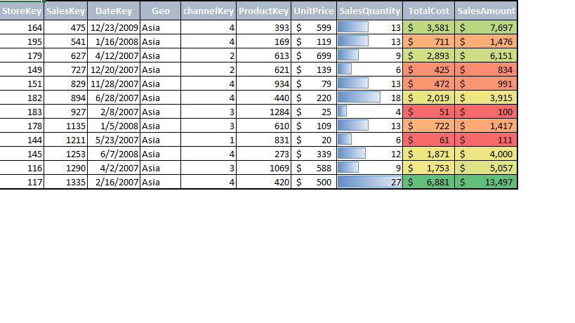
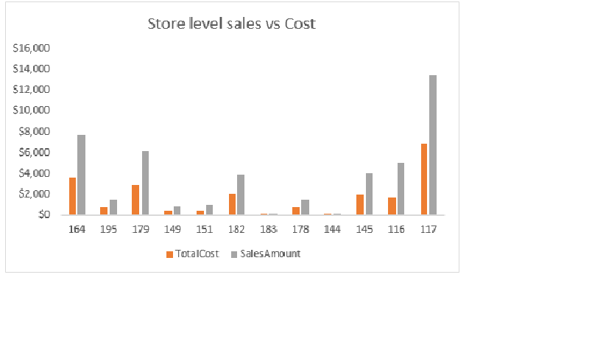
15 Marks
Q6. Format the data below as shown in the image and also build the graph as shown in the image

StoreKey | SalesKey | DateKey | Geo | channelKey | ProductKey | UnitPrice | SalesQuantity | TotalCost | SalesAmount
164 | 475 | 40170 | Asia | 4 | 393 | 599 | 13 | 3580.98 | 7697.15
195 | 541 | 39463 | Asia | 4 | 169 | 119 | 13 | 711.36 | 1475.6
179 | 627 | 39184 | Asia | 2 | 613 | 699 | 9 | 2892.96 | 6151.2
149 | 727 | 39436 | Asia | 2 | 621 | 139 | 6 | 425.22 | 834
151 | 829 | 39414 | Asia | 4 | 934 | 79 | 13 | 472.29 | 991.45
182 | 894 | 39261 | Asia | 4 | 440 | 219.95 | 18 | 2018.52 | 3915.11
183 | 927 | 39121 | Asia | 3 | 1284 | 24.99 | 4 | 50.96 | 99.96
178 | 1135 | 39452 | Asia | 3 | 610 | 109 | 13 | 722.41 | 1417
144 | 1211 | 39225 | Asia | 1 | 831 | 19.9 | 6 | 60.9 | 111.44
145 | 1253 | 39606 | Asia | 4 | 273 | 339 | 12 | 1870.68 | 4000.2
116 | 1290 | 39174 | Asia | 3 | 1069 | 588 | 9 | 1753.38 | 5056.8
117 | 1335 | 39129 | Asia | 4 | 420 | 499.9 | 27 | 6881.22 | 13497.3

